C2 Form
BOILER TUBE FAILURE REPORT (C-2 FORM)
(C-2 FORM SHOULD BE SENT WITHIN 12 HOURS OF SYNCHRONISATION)

1) STATION: | NTPL | 2) UNIT No. |  | II | 3) LAST UNIT OUTAGE |  |  | Feb-21 | 4) LAST UNIT O/H |  | Aug-18
5) UNIT SHUTDOWN FROM |  | 19 | 04 | 21 |  | 00 | 00 | 9) OUTAGE HOURS |  | 15 | 52
6) WATER FILLING CLEARANCE |  | 21 | 04 | 21 |  | 09 | 00 | (ONLY DUE TO BTF) |  | hh | mm
7) CLEARANCE FOR LIGHTUP |  | 21 | 04 | 21 |  | 14 | 00 | 10) GENERATION LOSS
(AFTER REPAIR OF BTF) |  | dd | mm | yy |  | hh | mm | (ONLY DUE TO BTF) |  | MUS
8) UNIT SYNCHRONISED AT |  | 21 | 04 | 21 |  | 19 | 30
11) BTF INSPECTED BY |  | dd | mm | yy |  | hh | mm
 | BTF COMMITTEE HEAD |  |  |  |  | MTP |  |  |  | FQA
 |  | CHEMISTRY |  |  |  | OPERATION |  |  |  | O&C

BOILER TUBE FAILURE LOCATION
12) FAILED TUBE LOCATION MARKED ON UNIT MATERIAL DIAGRAM AND BOILER GENERAL ARRANGEMENT DRAWING
(CLEARLY IDENTIFYING TUBE NO., COIL NO., TUBE DIMENSION, TUBE MATERIAL AND X,Y,Z COORDINATES)
Tube dimension - D54x4 mm; SA 213 T22 & SA213 T91 . Reheater Coil 17, Circuit 10 & 11 Flex Connector

DESCRIPTION OF BOILER FAILED TUBES

13) PHOTOGRAPHS OF LOCATION OF FAILURE BEFORE START OF REPAIR WORK
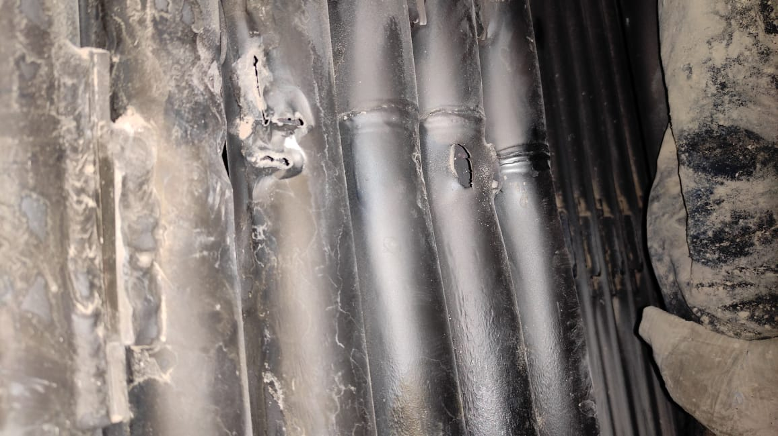

14) PHOTOGRAPHS OF PRIMARY FAILED TUBE
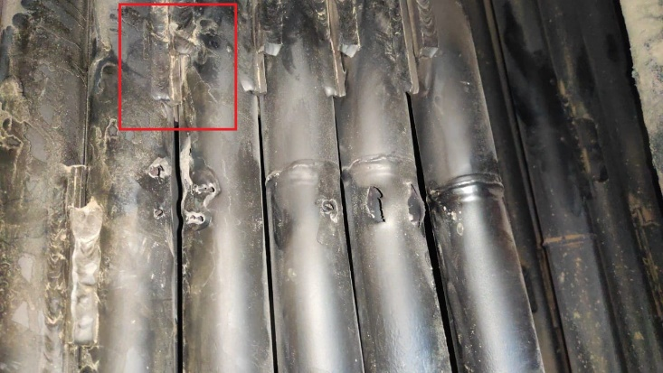

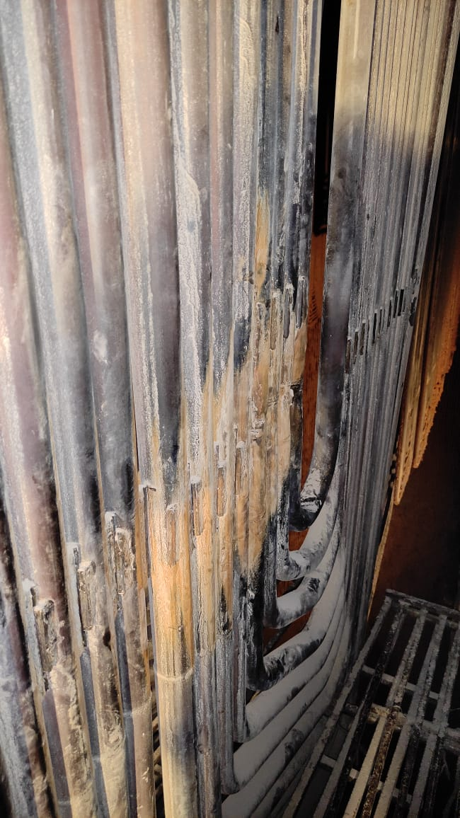

15) PHOTOGRAPHS OF REPAIRED LOCATION AFTER RESTORATION WORK

16) DETAILS OF REPAIR WORK (SPECIFY JOINT DETAILS, COIL NO./ TUBE NO. & RESTORATION WORK)
 | Primary Reason:
 | Shop joint Failure of flex connector between Circuit 10 & 11 of Coil 17

 | Repair Work Undertaken:
 | Tube replacement for Coil 16 - Circuit 12,13 & 14. Coil 17 - Circuit 10 to 14
 | Heat Treatment was undertaken as per OEM recommendations.

17) DETAILS OF INSPECTION OF ADJACENT AND IDENTICAL LOCATIONS
 | Physical inspection of adjacent locations Coil 14, 15, 18 & 19 for telltale signs of erosion. No abnormalities observed during thickness survey of tubes. Vaccum Pulling undertaken to ascertain weld healthiness.

18) HISTORY OF WORK IN FAILED TUBE/COIL/LOCATION IN PAST FIVE YEARS

YEAR | HISTORY OF WORK (DETAILS OF WORK DONE IN THE AREA/COIL
 | LOCATION | Tube/Coil No. |  |  | No. OF TUBES REPLACED |  |  | NATURE OF FAILURE & WORK

19) REMARKS

20) STATION OBSERVATION W.R.T. CAUSE OF TUBE FAILURE

COPY TO: |  | 1) DISPLAY IN UCB
 |  | 2) GM/O&M
 |  | 3) HOD (OS-BOILER)

 |  |  |  |  |  |  |  | NAME:
 |  |  |  |  |  |  |  | DESIGNATION:
 |  |  |  |  |  |  |  | DATE:

